Content
 | Corporations recognise green investment as an attractive business opportunity

 | Large corporations (1) are spending in excess of EUR 540 billion a year on green investment, accounting for 17% of all corporate investment in 2017.
Corporate Knights & Climate Bond Initiative, Global Corporate Green Investment and the UN Sustainable Development Goals (2019), p.5
https://www.corporateknights.com/wp-content/uploads/2019/03/2019_Corporate_Green_Investment.pdf | (1) 7 000 of the world’s largest companies, representing all publicly-traded companies with EUR 883 million+ in revenues

 | Utilities sector leads green investment
 |  |  |  |  | Chapter 1
Corporate Knights & Climate Bond Initiative, Global Corporate Green Investment and the UN Sustainable Development Goals (2019), p.10 | Green investment share of Share of total investment
https://www.corporateknights.com/wp-content/uploads/2019/03/2019_Corporate_Green_Investment.pdf, p.10 | GICS sector | Green investment (BAU)* | Total investment (BAU)* | % of total development
 | Communication Services | 31,775 | 372,899 | 8.5
 | Consumer discretionary excluding Auto | 6,488 | 197,983 | 3.3
 | Automotive | 107,675 | 269,188 | 40.0
 | Consumer staples | 5,416 | 169,061 | 3.2
 | Energy | 3,781 | 432,464 | 0.9
 | Cement | 125 | 12,081 | 1.0
 | Steel | 476 | 34,111 | 1.4
 | Healthcare | 29,951 | 227,071 | 13.2
 | Industrials | 63,192 | 486,592 | 13.0
 | Information technology | 52,293 | 394,280 | 13.3
 | Materials excluding cement and steel | 20,881 | 219,947 | 9.5
 | Real estate | 4,251 | 92,780 | 4.6
 | Utilities | 216,914 | 309,878 | 70.0
 | Total | 539,664 | 3,218,335 | 16.8
 | *BAU = Business as usual - current levels of corporate green investment via capital expenditure and research and development channels
 | Green Investment levels are determined by corporate reporting and use a company’s current “green” revenue percentage as a proxy for its green investment percentage.
 | In the case of insurance companies and asset managers, the “green” revenue percentage was applied to the assets under management. In the case of the utilities and auto industry, both of which are in an
 | accelerated transition, we assumed 40% of auto investments are green in line with corporate disclosures and that 70% of utilities investment is green in line with the latest global average calculated
 | by the International Energy Agency. Green revenue percentages were obtained by reviewing corporate disclosures and mapping each company’s FactSet Revere Business Industry Classification System
 | (RBICS) segmented revenues to Corporate Knights Clean Revenue Taxonomy and only focusing on the environmental benefits.

 | European companies lead the way |  |  |  | Chapter 2
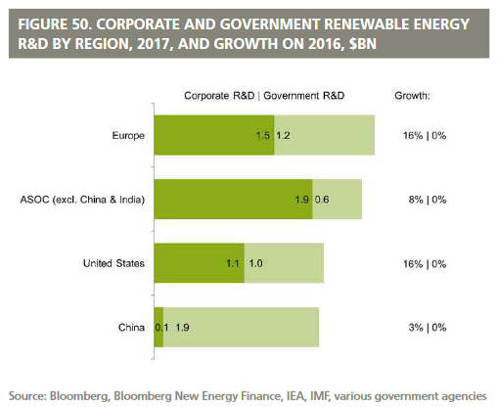
 | With a total expenditure of EUR 1.3 billion, investment by the corporate sector in renewable energy R&D in Europe is larger than in the USA or China.

Global Trends in Renewable Energy Investment 2018, Frankfurt School UNEP Centre/Bloomberg New Energy Finance, (2018) | Corporate Renewable Energy R&D by Region, 2017 (EUR billion)
http://www.greengrowthknowledge.org/sites/default/files/downloads/resource/Global_Trends_in_Renewable_Energy_Investment_Report_2018.pdf, p.73 | Region/Country | Corporate R&D spendng | Government R&D spending | Growth since 2016
 | Europe | 1.3 | 1.1
 | USA | 0.9 | 0.8
 | China | 0.08 | 1.7

 | Monetary information has been converted from USD to EUR based on a conversion rate of EUR 1 = USD 1.1295 (14 March 2019)
 | Sources: Corporate Knights & Climate Bond Initiative, Frankfurt School UNEP Centre/Bloomberg New Energy Finance

